Data Lake Architecture
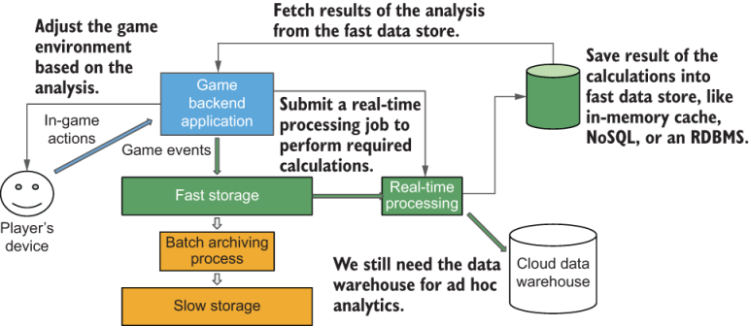
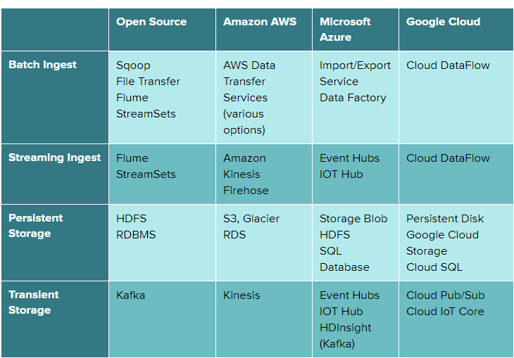
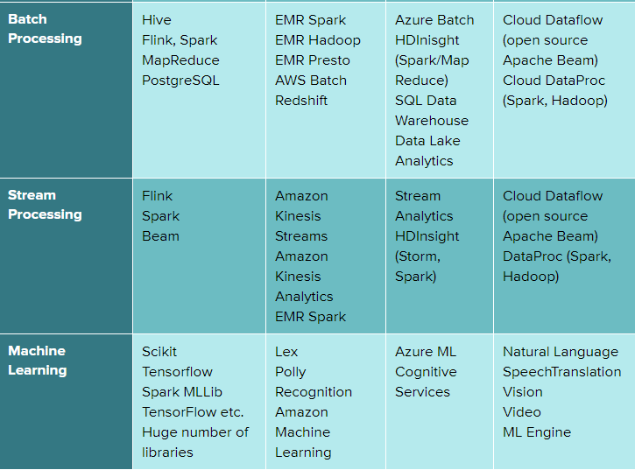
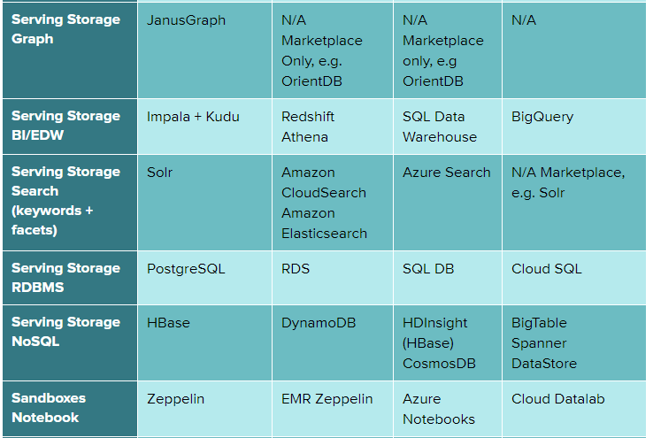
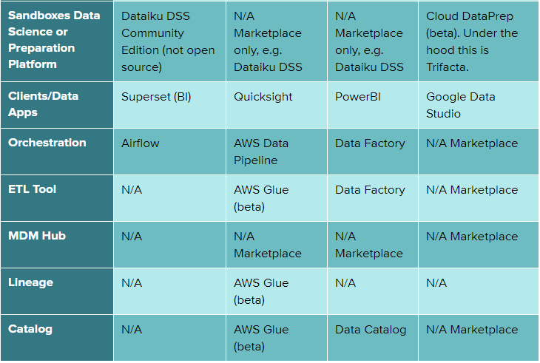
 | 6 V of big data

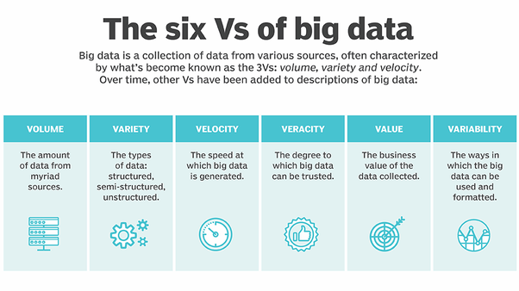

 | Advantage of cloud

Elastic resources | Scale up and Down on demand
Modularity | Storage and compute are separate in a cloud world. No longer do you have to buy both when you need only one, which optimizes your investment
Pay per use | Cost Optimization
No Capital Investment | Cloud turns capital investment, capital budgets, and capital amortization into operational expense
Managed services | Support, maintance and upgrades are managed by cloud provider
Instant availability | Procurement is immediate
cloud-only processing frameworks | Exclusive to cloud. Salesforce, zoom, snowflake, tableu
Faster feature introduction | Rapid innovation by cloud provider

 | Building Block of Cloud Data Platform

 | Build Data platform in terms of loosely coupled layers which are indipendent from each other

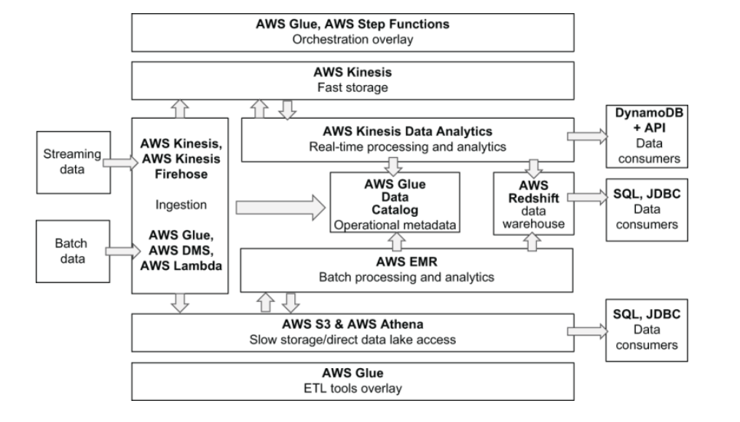
Ingestion
Storage : Fast & Slow
Processing : Real time & Batch
Data Warehouse
Operational Metadata
Orchestration / ETL

 | Organizing & Processing Data

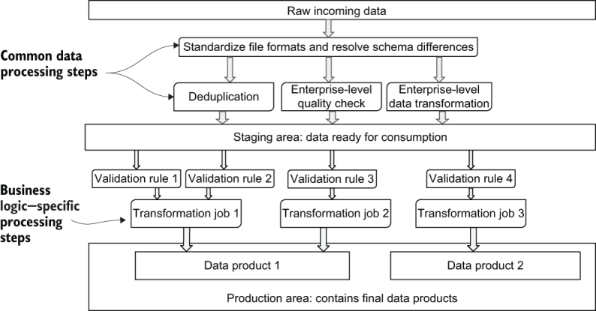

 | Real Time data processing

AWS Data Platform
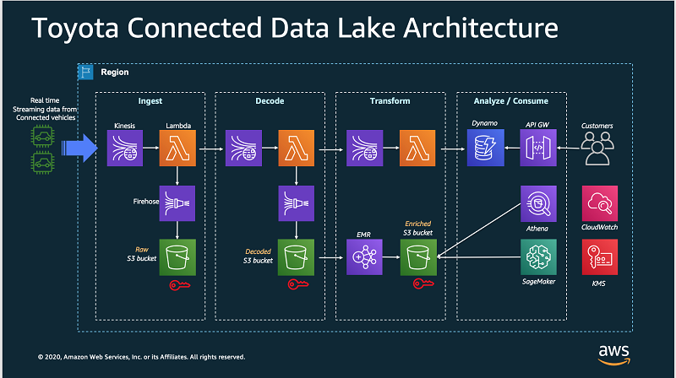
AWS Serverless Analytics Architecutre

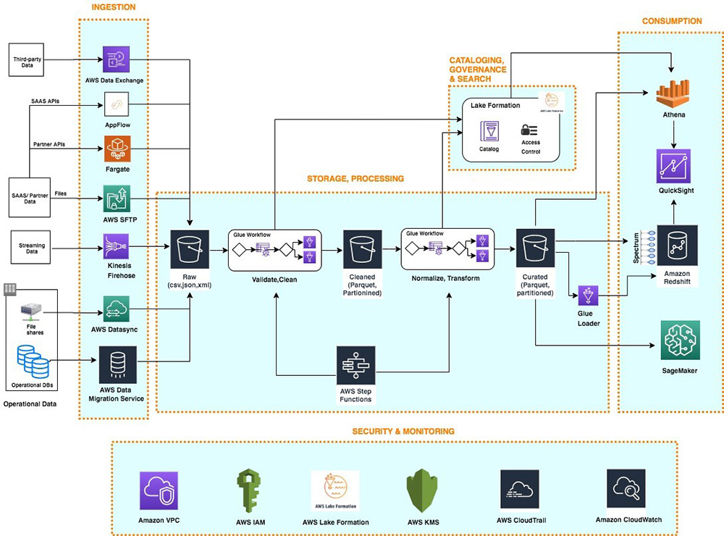

AWS Streaming Data Analytics Architecutre

